Sheet1
Biological treatment | Publication | Biological Bin | Psoup Bin | Data type | Species | Potential Reason
Suc increased | Barbier et al., 2015 | 1 | 1 | Bud length | Rosa hybrida
Suc+ IAA | Berthrloot et al., 2020 | -1 | -1 | Bud length | Rosa hybrida
Suc +SL | Berthrloot et al., 2020 | -1 | -1 | Bud length | Rosa hybrida
Decapitation | Cao et al.,2023 | -1 | -1 | BRC1 Relative | Pea
max2+GR24 | Cao et al.,2023 | -1 | -1 | Bud length | Pea
GR24 | Cao et al.,2023 | -1 | -1 | Bud length | Pea
sucrose+GR24 | Cao et al.,2023 | -1 | -1 | Bud length | Pea
sucrose | Cao et al.,2023 | 1 | 1 | Bud length | Pea
decapitation+GR24 | Cao et al.,2023 | -1 | -1 | Bud length | Pea
decapitation +GA | Cao et al.,2023 | 1 | 1 | Bud length | Pea
decapitation | Cao et al.,2023 | 1 | 1 | Bud length | Pea
GA | Cao et al.,2023 | 0 | 0 | Bud length | Pea
BA+GA | Cao et al.,2023 | 1 | 1 | Bud length | Pea
BA | Cao et al.,2023 | 1 | 1 | Bud length | Pea
BA+GA+GR24 | Cao et al.,2023 | 1 | 1 | Bud length | Pea
BA+GR24 | Cao et al.,2023 | 1 | 1 | Bud length | Pea
d14 | Chevalier et al.,2014 | -1 | -1 | BRC1 | Arabidopsis
max2 | Chevalier et al.,2014 | 0 | 0 | D14 | Arabidopsis
max4 | Chevalier et al.,2014 | 0 | 0 | D14 | Arabidopsis
d14 | Chevalier et al.,2014 | 0 | 0 | MAX2 | Arabidopsis
max4 | Chevalier et al.,2014 | 0 | 0 | MAX2 | Arabidopsis
d14 | Chevalier et al.,2014 | 1 | 1 | MAX4 | Arabidopsis
max2 | Chevalier et al.,2014 | 1 | 1 | MAX4 | Arabidopsis
GR24 | Chevalier et al.,2014 | -1 | 0 | MAX2 | Arabidopsis | It is not affecting the MAX2 as it has not feedback.
GR24 | Chevalier et al.,2014 | 0 | -1 | MAX4 | Arabidopsis | It is because the feedback
GR24 | Chevalier et al.,2014 | 0 | 0 | D14 | Arabidopsis
GR24 | Chevalier et al.,2014 | 1 | 1 | BRC1 | Arabidopsis
NAA | Chevalier et al.,2014 | 0 | 0 | D14 | Arabidopsis
NPA | Chevalier et al.,2014 | -1 | 0 | D14 | Arabidopsis | No Auxin and Biosyntheis feedback
NAA | Chevalier et al.,2014 | 1 | 0 | MAX4 | Arabidopsis
NPA | Chevalier et al.,2014 | -1 | 0 | MAX4 | Arabidopsis
Decapitation | Chevalier et al.,2014 | 0 | 0 | D14 | Arabidopsis
Decapitation | Chevalier et al.,2014 | -1 | -1 | MAX2 | Arabidopsis
R:FR | Chevalier et al.,2014 | 0 | 0 | D14 | Arabidopsis
R:FR | Chevalier et al.,2014 | 1 | 1 | MAX2 | Arabidopsis
BA | Dun et al., 2012 | 1 | 1 | Bud length | Pea
rms1+BA | Dun et al., 2012 | 1 | 1 | Bud length | Pea
rms1+GR24 | Dun et al., 2012 | 0 | 0 | Bud length | Pea
rms1+BA+GR24 | Dun et al., 2012 | 1 | 1 | Bud length | Pea
rms4+BA | Dun et al., 2012 | 1 | 1 | Bud length | Pea
rms4+GR24 | Dun et al., 2012 | 0 | 0 | Bud length | Pea
rms4+BA+GR24 | Dun et al., 2012 | 1 | 1 | Bud length | Pea
BA+GR24 | Dun et al., 2012 | -1 | -1 | Bud length | Pea
WT+BA | Dun et al., 2012 | -1 | -1 | PsBRC1 | Pea
WT+GR24 | Dun et al., 2012 | 1 | 1 | PsBRC1 | Pea
WT+BA+GR24 | Dun et al., 2012 | -1 | -1 | PsBRC1 | Pea
rms1+BA | Dun et al., 2012 | -1 | -1 | PsBRC1 | Pea
rms1+GR24 | Dun et al., 2012 | 1 | 0 | PsBRC1 | Pea
rms1+BA+GR24 | Dun et al., 2012 | 0 | -1 | PsBRC1 | Pea | It is the difference amount of the hormone application
rms4+BA | Dun et al., 2012 | -1 | -1 | PsBRC1 | Pea
rms4+GR24 | Dun et al., 2012 | 0 | -1 | PsBRC1 | Pea | Feedback with the SL and the biosynthesis genes
rms4+BA+GR24 | Dun et al., 2012 | -1 | -1 | PsBRC1 | Pea
rms3 | Foo et al., 2005 | 1 | 1 | RMS1 | Pea
rms4 | Foo et al., 2005 | 1 | 1 | RMS1 | Pea
rms5 | Foo et al., 2005 | 1 | -1 | RMS1 | Pea
IAA | Foo et al., 2005 | 1 | 1 | RMS1 | Pea
decapiteted | Foo et al., 2005 | -1 | 1 | RMS1 | Pea | The feedback of Auxin in the biosythesis genes of SL | CCD7 (MAX3/RMS5) and CCD8 (MAX4/RMS1) are positively regulated by auxin levels
decapitated+IAA | Foo et al., 2005 | 1 | 1 | RMS1 | Pea |  | IAA regulates the expression of at least two of the genes responsible for the biosynthesis of strigolactones (Sorefan et al., 2003; Bainbridge et al., 2005; Foo et al., 2005; Johnson et al., 2006). In pea, these are RMS1 and RMS5 (Foo et al., 2005; Johnson et al., 2006).
rms3+IAA | Foo et al., 2005 | 1 | 1 | RMS1 | Pea
rms3+decapiteted | Foo et al., 2005 | -1 | 1 | RMS1 | Pea
rms3+decapitated+IAA | Foo et al., 2005 | 1 | 1 | RMS1 | Pea
rms4+IAA | Foo et al., 2005 | 1 | 1 | RMS1 | Pea
rms4+decapiteted | Foo et al., 2005 | -1 | 0 | RMS1 | Pea
rms4+decapitated+IAA | Foo et al., 2005 | -1 | 0 | RMS1 | Pea
rms3 | Foo et al., 2005 | 1 | 1 | RMS1 | Pea
rms4 | Foo et al., 2005 | 1 | 1 | RMS1 | Pea
R:FR | González-Grandío et al.,2016 | 1 | 0 | BRC1 | Arabidopsis | It is not well studied and well known the part of the R:FR
brc1+R:FR | González-Grandío et al.,2016 | 0 | -1 | BRC1 | Arabidopsis
d3 | Jiang et al.,2013 | 1 | 1 | D10 | Rice
d27 | Jiang et al.,2013 | 1 | 1 | D10 | Rice
d3 | Jiang et al.,2013 | -1 | -1 | D53 | Rice
d10 | Jiang et al.,2013 | -1 | -1 | D53 | Rice
d14 | Jiang et al.,2013 | -1 | -1 | D53 | Rice
d17 | Jiang et al.,2013 | -1 | -1 | D53 | Rice
d27 | Jiang et al.,2013 | -1 | -1 | D53 | Rice
phyb | Kebrom et al.,2006 | -1 | 1 | Bud length | Sorghum | It is not well studied and well known the part of the R:FR
phyb | Kebrom et al.,2006 | 1 | 1 | SbTB1 | Sorghum
low density | Kebrom et al.,2006 | 1 | 0 | Bud length | Sorghum | ? Representation of the genotype mistake in PSoup
High density | Kebrom et al.,2006 | 1 | 1 | SbTB1 | Sorghum
rms1+GR24 | Kerr et al.,2020 | 1 | 0 | PsBRC1 | Pea | SL feedback
rms3+GR24 | Kerr et al.,2020 | 0 | 0 | PsBRC1 | Pea
rms4+GR24 | Kerr et al.,2020 | 0 | 0 | PsBRC1 | Pea
rms3 | Kerret al.,2021 | -1 | -1 | PsBRC1 | Pea
BA | Kerret al.,2021 | -1 | -1 | PsBRC1 | Pea
decapitated | Mason et al.,2014 | 1 | 1 | Bud length | Pea
decapitated | Mason et al.,2014 | 1 | 1 | Sucrose | Pea
decapitated | Mason et al.,2014 | -1 | -1 | PsBRC1 | Pea
Suc | Patil et al., 2022 | 1 | 1 | Bud length | Rice
Suc+GR24 | Patil et al., 2022 | 1 | 1 | Bud length | Rice
Suc | Patil et al., 2022 | -1 | -1 | OsTB1 | Rice
Suc | Patil et al., 2022 | -1 | -1 | OsD53 | Rice | Suc negatively affects max2 and not the D14. For D53 it intdirectly affects it by stoping SL thus more D53 remains.
Suc | Patil et al., 2022 | -1 | 0 | OsD14 | Rice | Depending the tissue of the measurment and the amoun tf Suc
Suc | Patil et al., 2022 | -1 | -1 | OsD3 | Rice
d14+Suc | Patil et al., 2022 | 1 | 1 | Bud length | Rice
d3+Suc | Patil et al., 2022 | 1 | 1 | Bud length | Rice
decapitated | Patil et al., 2022 | -1 | -1 | PsD3 | Rice | Mistake in PSOup genotype
decapitated | Patil et al., 2022 | -1 | -1 | PsBRC1 | Rice | Mistake in PSOup genotype
ipa-10 | Song et al.,2017 | -1 | -1 | D53 | Rice
SL | Song et al.,2017 | 1 | -1 | D53 | Rice
max2 | Soundappan et al.,2015 | -1 | -1 | BRC1 | Arabidopsis
smxl6,7,8 max2 | Soundappan et al.,2015 | 1 | 1 | BRC1 | Arabidopsis
d3 | Umehara et al.,2008 | 1 | 1 | D10 | Rice
d3+GR24 | Umehara et al.,2008 | 0 | 0 | D10 | Rice
d53 | Zhou et al.,2013 | 1 | 1 | D10 | Rice
d53 | Zhou et al.,2013 | -1 | 1 | FC1 | Rice | When d53 is knock down then SL cannot preceived thus more FC1 | Psoup mistake
d14 | Zhou et al.,2013 | 1 | 1 | D10 | Rice
d14 | Zhou et al.,2013 | -1 | -1 | FC1 | Rice
d27 | Zhou et al.,2013 | 1 | 1 | D10 | Rice
d27 | Zhou et al.,2013 | -1 | -1 | FC1 | Rice
d14 | Zhou et al.,2013 | -1 | -1 | D53 | Rice
d3 | Zhou et al.,2013 | -1 | -1 | D53 | Rice
d10 | Zhou et al.,2013 | -1 | -1 | D53 | Rice
d17 | Zhou et al.,2013 | -1 | -1 | D53 | Rice
d27 | Zhou et al.,2013 | -1 | -1 | D53 | Rice
d14 | Fang et al.,2020 | -1 | -1 | FC1 | Rice
d3 | Fang et al.,2020 | -1 | -1 | FC1 | Rice
d53 | Fang et al.,2020 | -1 | -1 | FC1 | Rice
d10+GR24 | Fang et al.,2020 | 1 | 1 | FC1 | Rice
d14+GR24 | Fang et al.,2020 | 0 | 0 | FC1 | Rice
d3 | Minakuchi et al.,2010 | 1 | 1 | D10 | Rice
d14 | Minakuchi et al.,2010 | 1 | 1 | D10 | Rice
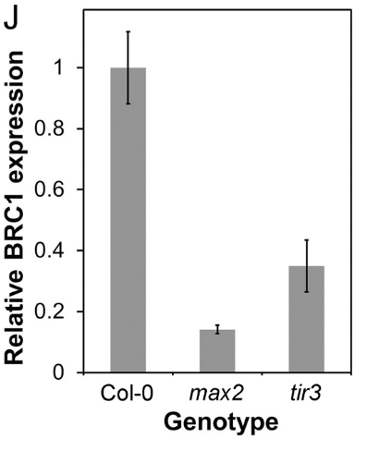
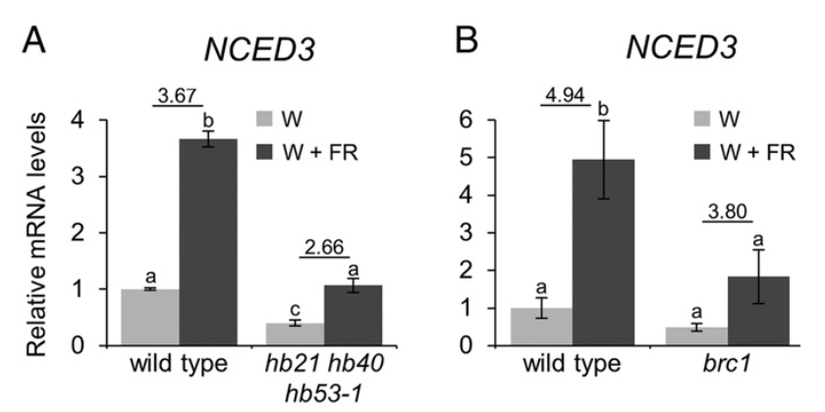
d17 | Minakuchi et al.,2010 | 1 | 1 | D10 | Rice
GR24 | Brewer et al.,2009 | -1 |  | Bud length | Pea
NPA | Brewer et al.,2009 | 0 |  | Bud length | Pea
BA | Brewer et al.,2009 | 1 |  | Bud length | Pea
Decapitated | Brewer et al.,2009 | 1 |  | Bud length | Pea
Decapitated + GR24 | Brewer et al.,2009 | 0 |  | Bud length | Pea
Decapitated + NPA | Brewer et al.,2009 | -1 |  | Bud length | Pea
BA+NPA | Brewer et al.,2009 | -1 |  | Bud length | Pea
Decapitated | Brewer et al.,2009 | 1 |  | Bud length | Pea
max2 | Bennett et al., 2016 | -1 |  | BRC1
WT+FR | González-Grandío et al.,2016 | 1 |  | BRC1 | Arabidopsis
WT+FR | González-Grandío et al.,2016 | 1 |  | NCED3 | Arabidopsis
hb21,40,53 | González-Grandío et al.,2016 | 1 |  | NCED3 | Arabidopsis
brc1+R:FR | González-Grandío et al.,2016 | 0 |  | NCED3 | Arabidopsis

